Submit Form

 |  |  |  | Laboratory officially recognised for nematode diagnostics (Det. no. 239 — Official Bulletin of Regione Puglia no. 94 of 25 June 2009)
 |  |  |  | Nematode analysis request form
 |  |  |  | Send to: Dr. Lucarelli - Horto Service NemaLab - via S. Pietro, 3/d - 70016 Noicattaro (BA) - Italy Please fill in the form, save as a PDF and send it by e-mail to info@hortoservice.com A printed copy of this form must accompany the samples
Customer's name
Company |  |  |  |  | State |  |  |  |  |  |  |  | Send results to
Address
City |  |  |  |  | Zip code |  |  |  |  |  |  |  | Send bill to
Phone
e-mail |  |  |  |  |  |  |  |  |  |  |  |  | Purchase Order |  |  |  |  | VAT number

Field/Trial/Survey ID |  |  |  |  | Samples collected by |  |  | Sampling |  |  |  |  |  | Shipment |  |  |  | Delivery
<--------------------------------------------- informations on field ---------------------------------------------> |  |  |  |  |  | <--------- informations on crops ---------> |  |  | <----------- sample descriptors -----------> (one or more options) |  |  |  |  |  |  | <------------- target of nematode analysis ------------> (select one or more options)
Sample ID (max size is 1.5 kg ≈ 1 l) | Nemalab Code (reserved) | Latitude (N ° ' ") | Longitude (E ° ' ") | Current state of the field | Soil type | Previous | Current (phenological stage) | Next (optional) |  | Surface represented (max 2500 m2) | soil | roots | seeds | stem, leaves | water | Root-knot (count) | Cyst (count) | Migratory (count) | unknown (screening) | Species ID

Notes
Indicate any recent nematicide treatments or other relevant information.

Please read the "Instructions for filling in" on the next page — COMPLETE ONE ROW FOR EACH SAMPLE — DO NOT USE paper or biodegradable bags for samples — AVOID SENDING OVERSIZED SAMPLES

Nematode Analysis Form - Instructions for filling
Section 1: "informations on field"
Field/Trial/Survey ID |  | Name of the location, or univocal code of the trial
Latitude and Longitude (optional) |  | Geographical coordinates of the field
Current state of the field |  | fallow, pre-sowing or pre-transplant, post-sowing or post-transplant, growing crop, end of crop …
Soil type |  | Basic informations, referring to the following classification
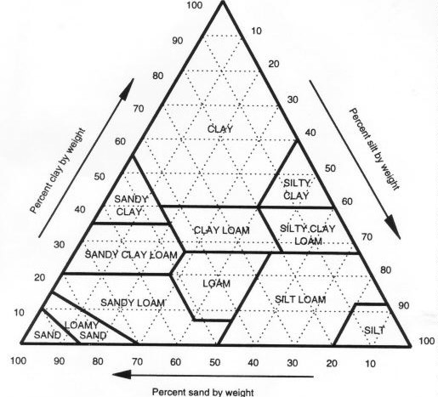

Section 2: "informations on crops"
Previous |  | Last crop grown in the field
Current |  | Crop now in the field, with indication of his age or phenological stage [for example: tomato (30 DAT), or: tomato, 1st cluster flowering]; the BBCH code may be used
Next |  | Crop scheduled after the analysis (consider this information as an option)
Section 3: "sample descriptors"
Sample code |  | Univocal name of the sample (plot name or location name)
Surface represented (m2) |  | Surface represented in sample, on which the sample parts were collected
soil |  | mark with "X" if the sample includes soil for specific nematode analysis (request for "number per ml of soil" and Genus identification)
roots |  | mark with "X" if the sample includes roots for specific nematode analysis (request for "number per gram of roots" and Genus identification and/or Species identification)
seeds |  | mark with "X" if the sample includes seeds for specific nematode count/identification (request for "number per 100 seeds" and Genus identification and/or Species identification)
stem and leaves |  | mark with "X" if the sample includes other parts of plants for specific nematode analysis (request for "number per gram of tissue" and Genus identification and/or Species identification)
water |  | mark with "X" if the sample includes water for specific nematode detection and count/identification
Section 4: "target of analysis"
Root-knot nematodes (count) |  | marking this option with "X", the analysis method will be adapted in order to maximise the extraction of Meloidogyne sp.; every selected option will be charged as a full analysis
Cyst nematodes (count) |  | See above. The extraction will be addressed to Heterodera sp. and Globodera sp. cysts
Migratory nematodes (count) |  | See above. The extraction will be addressed to Xiphinema sp., Longidorus sp., Ditylenchus sp., Pratylenchus sp. and others
unknown (screening) |  | marking this option with "X", a complete screening, in order to detect the presence of any kind of plant-parasitic nematodes, will be conducted; the analisys charge will vary according to the kind and number of analysis methods needed
Species identification |  | marking this option with "X", a morphological analysis of adult individuals will be conducted; in the case of Meloidogyne sp. this will be possible only if root samples will be included in the sample

